Special Programming Notes
Special Programming Notes
Losses reported on UP01 Record may only:
- be associated with a UO01 with a role code of CI or IN (first-party real-property damage only)
- does NOT use Coverage Code on Initial or Replacement Requests
- Coverage is determined by the dollar amounts submitted. See Appendix E - ClaimsPayment and Status Reporting Rules for further information.
- have a single UP01 Record reported per claim

Third-party real-property damage claims for Involved Parties (UO01) with Claimant role codes (CL, CD, or CP) are caused by an Insured's liablilty, and therefore are reported on a UC01 record as a casualty of the incident.

The ClaimSearch Website displays a slightly different breakdown of codes and options than are available in system-to-system transmissions. The options shown on the website are recorded the same in the system as the same codes used in system to system integrations. However the "liability" versus "property" are used to drive the website functionality to the appropriate page navigation and drop-down menu options. Please use the codes found in this excel document when coding for a system to system integration.
For example: CAVL or CAVP on the ClaimSearch website translates to CAVN in system-to-system transmissions.

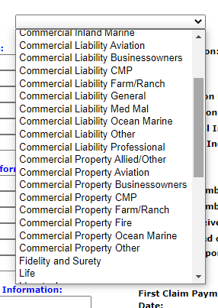
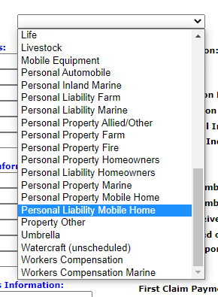

LIFE Policy Type requires a LIFE membership contract in order to receive Asynchronous Match Reports on claims submitted with this Policy Type.
Long-Term Care (LIFE/LTCI/LTCI) in this case is for Life Insurance Rider policies. A separate Member Code is required for the submission of LIFE/LTCI/LTCI claims. To report stand-alone Long-Term Care policies, please see the ACHE policy type.

